Home
VSM Overview
 | The VSM objective is:
 | The complete elimination of waste so that all activities along a value stream create value from the perspective of the Consumer and/or Customer.
 | VSM provides a detailed, graphical depiction of actual flow of materials and information through a supply network providing total lead time as well as Value Added Time in order to reduce waste and enable flow.

 | •VALUE – what Customers/Consumers are willing to pay for.
 | •VALUE STREAM – the set of all actions (Value-Added and Non Value-Added) required to provide a specific product from:
 | •Concept to launch.
 | •Order to delivery.
 | •Raw materials to finished product in the hands of the Consumer.
 | •FLOW – organizing the Value Stream to be continuous.
 | •PULL – responding to downstream Customer demand at each point in the Value Stream.
 | •PERFECTION – relentless continuous improvement (culture).
 | •REPLENISHMENT STREAMS – linked to the 4 different Customer Demand Signals

 | •VALUE IS ADDED any time we physically change our product towards what the Customer is buying.
 | •NON VALUE ADDED is any activity that adds time and cost but is no necessary to meet Customer / Consumer needs.
 | •NON VALUE ADDED BUT REQUIRED: does not add value to the product but is necessary (i.e. regulations).
 | Value Stream Mapping enables systemic elimination of waste

Current
Current State Map represents existing conditions and reveals wastes and their sources.

Ideal
Ideal State Map sets a very ambitious future state that takes into consideration Customer needs and challenges paradigms.

Future State Map represents a 2-3 year vision of what’s possible to improve the business towards Ideal.
Future

Legend
LEGEND
DATA BOXES
% Unplanned DT:
Process
Process Name:
Start-up signal:
Completion signal:
# of op/shift:
# shifts:
Cycle Time:
Flow Time:
3 Key opportunities: -
-
-
% Scrap:
Standard in process stock:
Lead Time to order (Firm zone):
Materials
Material Name:
Supplier:
Method of Delivery:
Delivery Capability(daily,weekly etc):
Total FG per pallet( or other UOM):
Lot size:
# touches recipt use
3 Key opportunities: -
-
-
Inventory (units)
Shipping Method:
Customer
Name:
Monthly Demand:
Daily Demand:
Signal to ship
Shipping Frequency
Transit Time:
Inventory (units):
3 Key opportunities: -
-
-
*Manuel Info Flow
FLOWS

*Digital Info Flow

*Material Flow

*Pushed Material Flow

*Pull Withdrawal
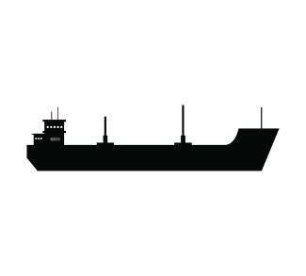

SHIPMENT TYPES

*Maritime Transport

*Truck Shipment

*Train Transport

*Airway Transport

NODES

External

Internal

Stock & Delivery
*Inventory

*Buffer/Safety Stock

S:Weekly
*Schedule :

FIFO
*First in First out flow of material

*Incoming materials are transferred to outbound without a process

*Service Level Agreement Flow

*Milk Run

*Supermarket This is a stockpoint where downstream customers can come for what they need.

OPERATION

*Forklift

*Operator

*Iteration rework

*Delay

*Kaizen Idea

Current State
_________ P&G ___________ CURRENT STATE

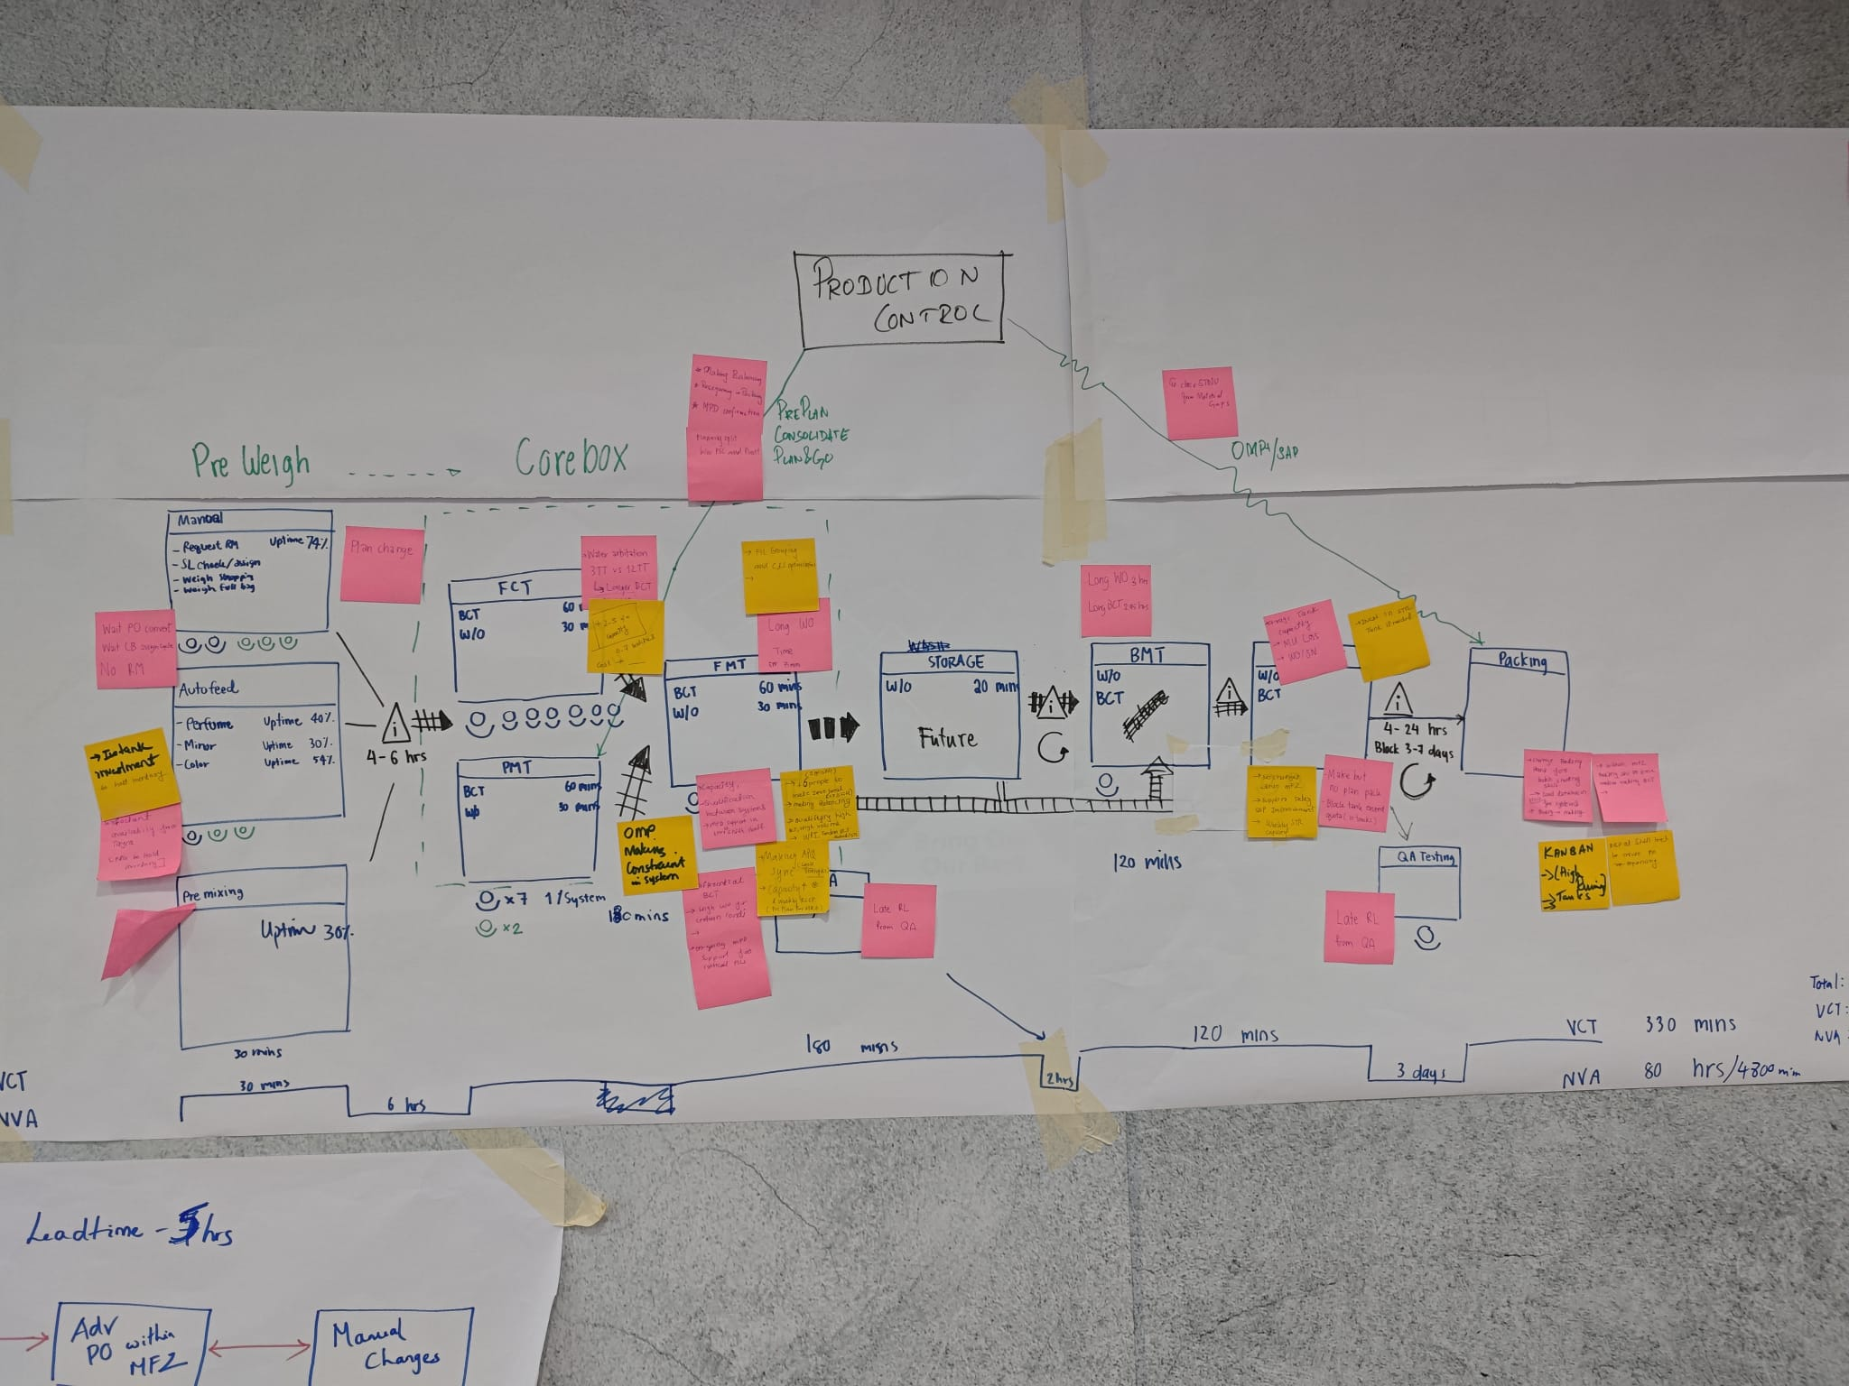
Making

IBL and Supplier

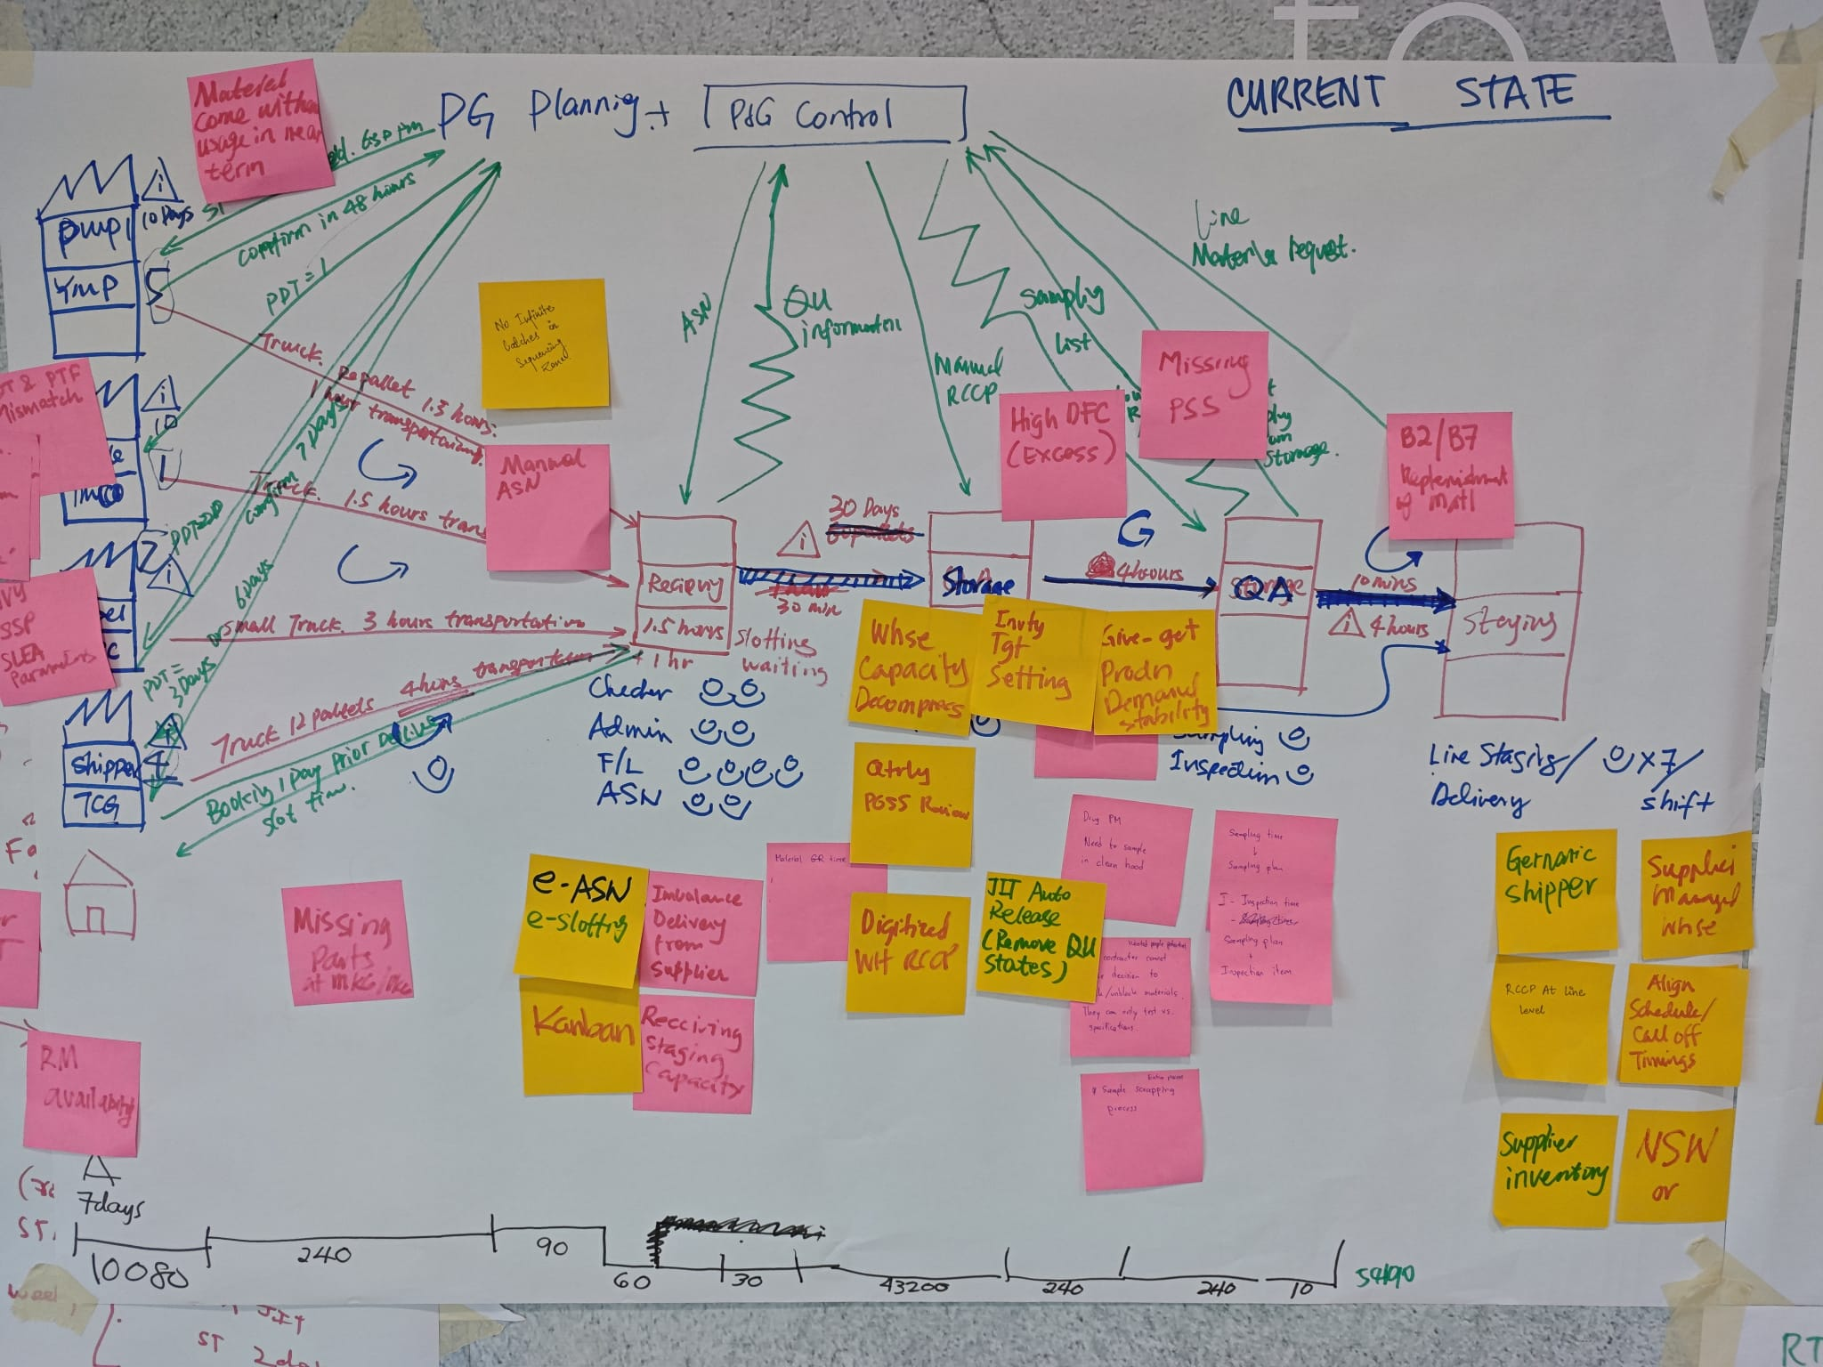

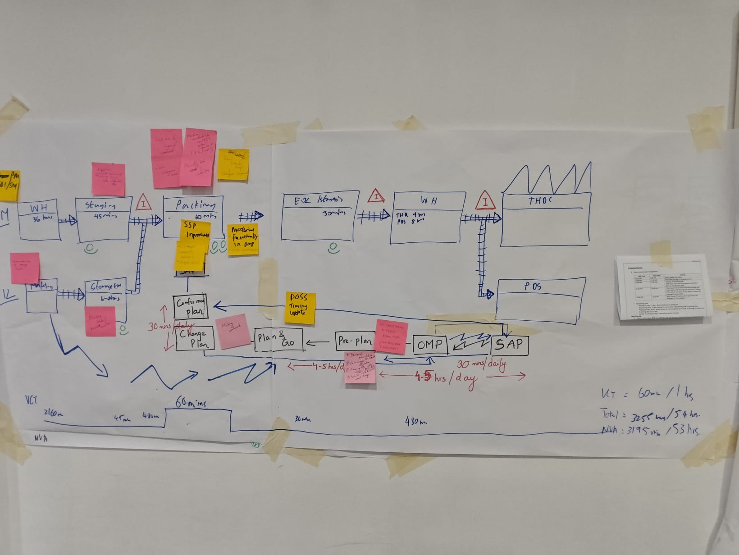
Packing + Takeaway

Total Lead Time
Total Lead Time

Value Added Lead Time

Non-Value Added Lead Time

Ideal State
_____ P&G ___________ IDEAL STATE

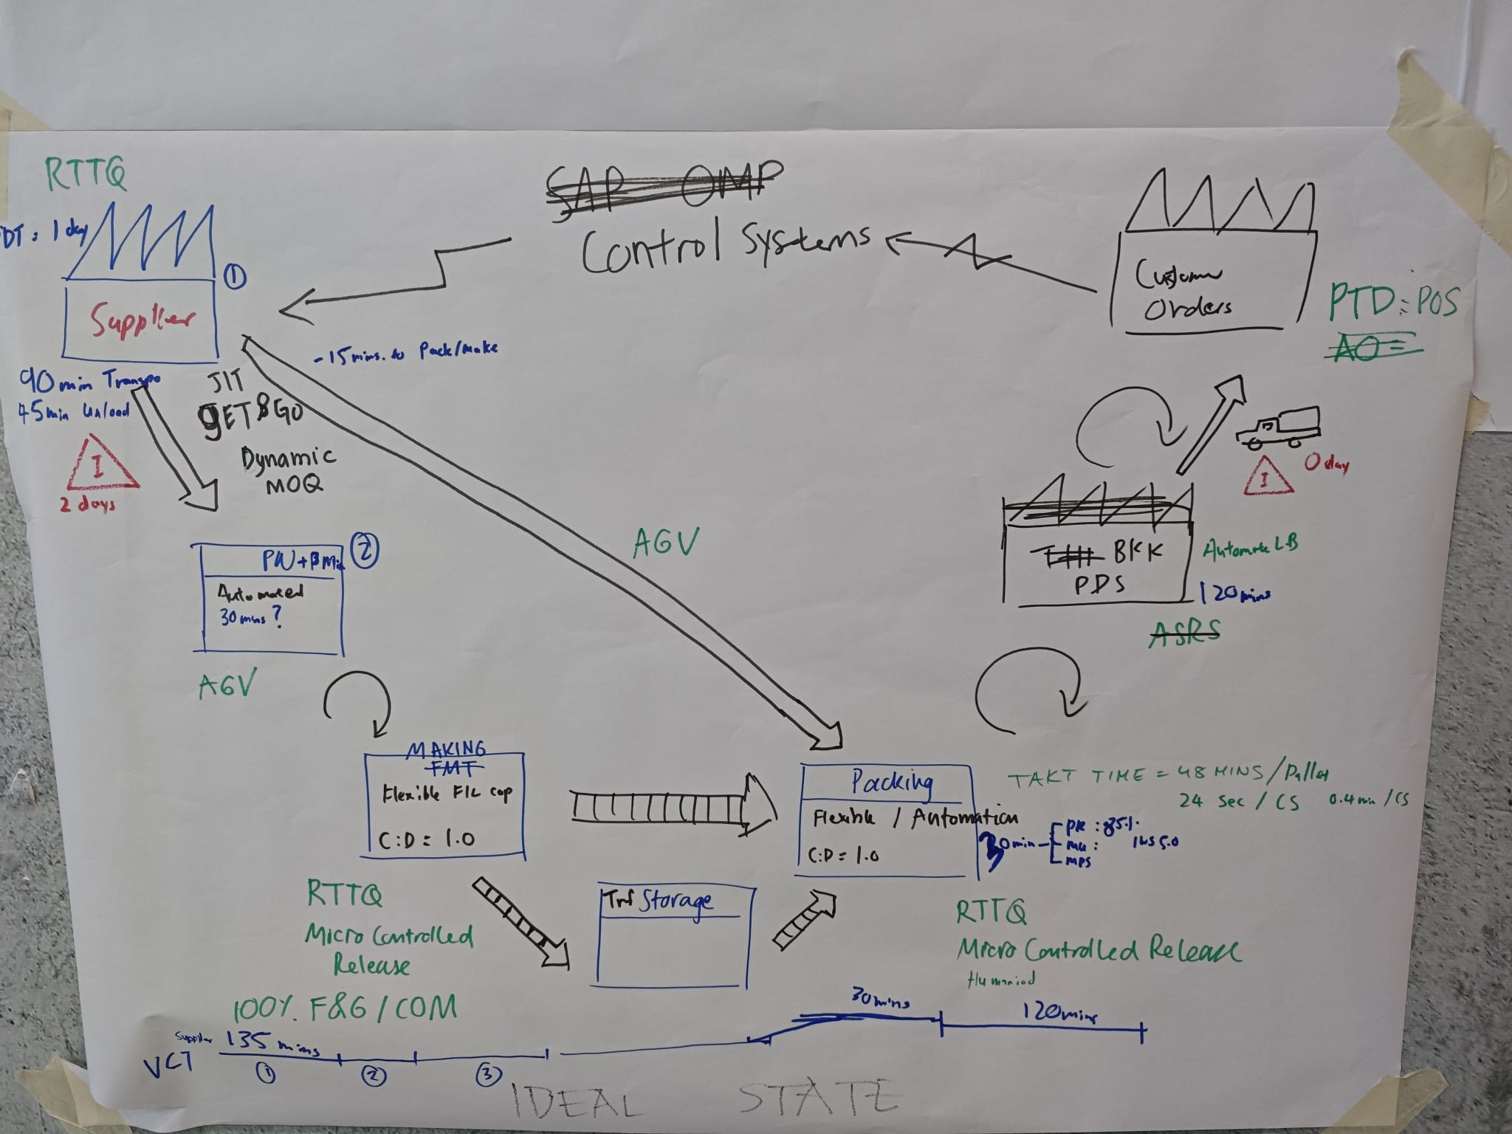
E2E IBL to Takeaway

Loading & Transit time

LEAD
TIME:
Average Material LT
(Order etc..)

1
Day

0.17
Days
2 Days
0.02
Days
 | one pager
 | unıt prıce one pager

Total Lead Time
Total Lead Time

Value Added Lead Time

Future State
_____ P&G ___________ FUTURE STATE

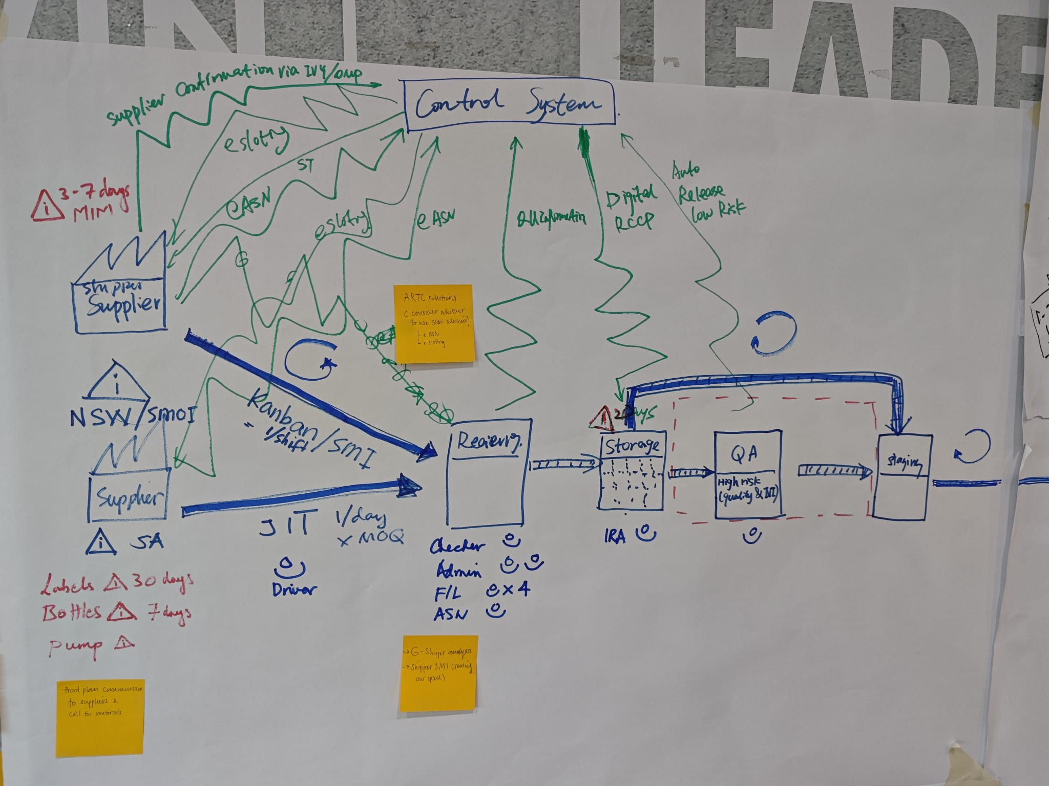
IBL and Supplier

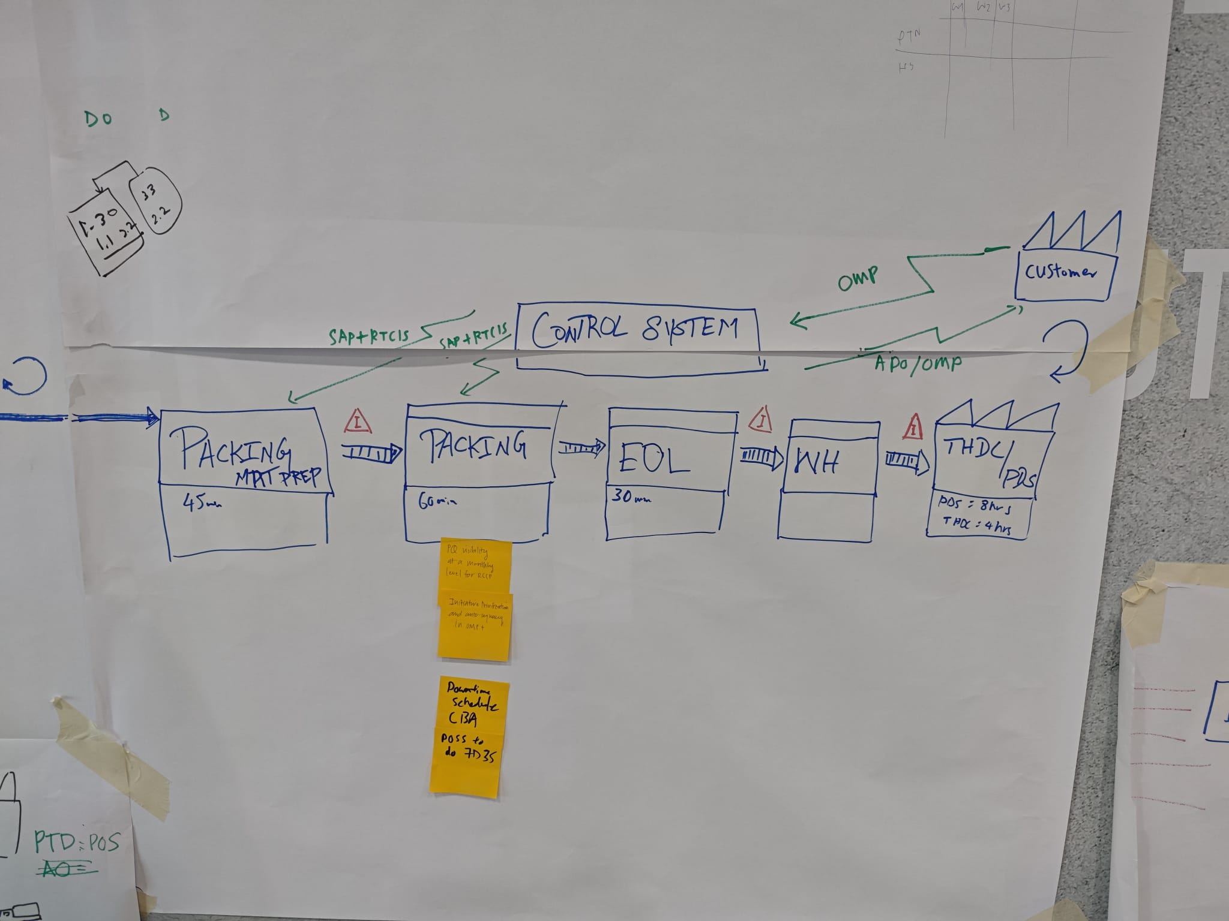
Packing + LTakeaway

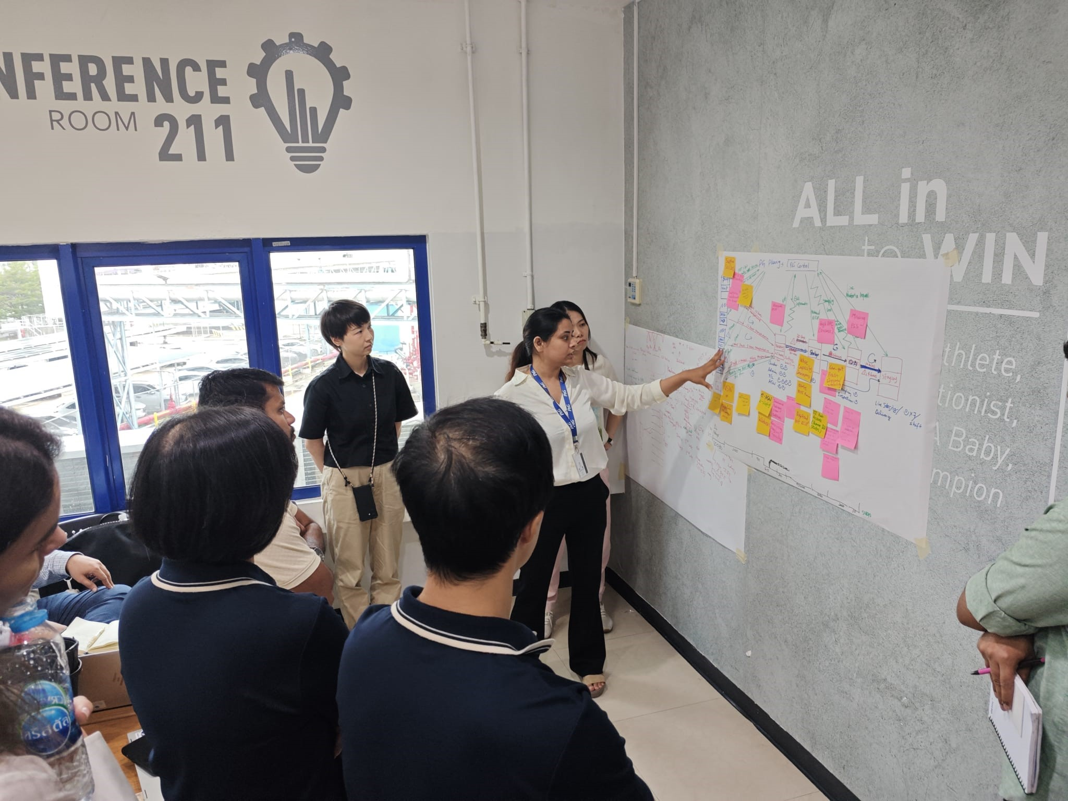



Loading & Transit time

LEAD
TIME:
Average Material LT
(Order etc..)

1
Day

0.17
Days
2 Days
0.02
Days
 | one pager
 | unıt prıce one pager

Total Lead Time
Total Lead Time

Value Added Lead Time

Examples
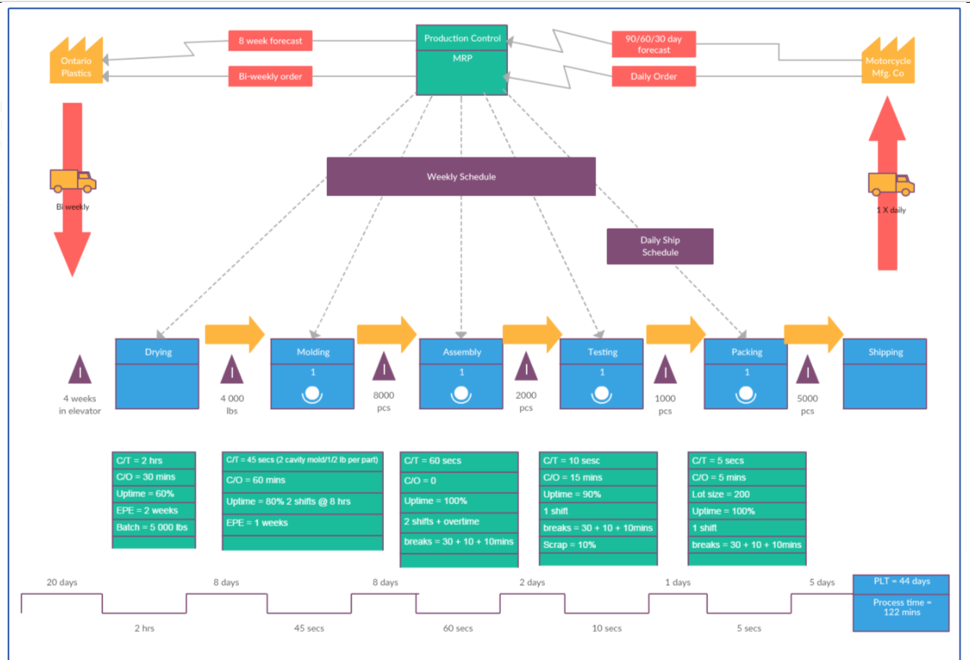
_____ P&G ____ CURRENT STATE

LEGEND
I
*Manuel Info Flow
*Digital Info Flow
*Material Flow
*Pushed Material Flow
*Inventory
MRP PLANNING
P&G PSC RPM
Schedule Sharing: weekly based

Mntly avr Order 2810 Tons

Yearly spent Pool:

SALT SUPPLIER
SALT SUPPLIER
1
 |  | 1 | Cancellation should be executed before 48 hrs
 |  | 2 | two truck are waiting
 |  | 3 | Although capacity is 150 tons we have 250 tons
ALKİM
Allocation: 400 tons/month
Location: Afyon
Order Frq: Daily
Opportunity:
335 tl/kg
Storage loc: Afyon
Lead Time: 24 hrs
MOQ: 26 tons
Transit Time: 8 hrs
Avr Montly Order Q: tons
MUTLUCAN
Allocation: 2410 tons/month
Locaton: Ankara
Order Frq: Daily
Opportunity:
335 tl/kg
Storage loc: Ankara
Lead Time: 24 hrs
MOQ: 26 tons
Transit Time: 9 hrs
Avr Montly Order Q: tons
 |  |  | replenishment RTT yapılabilir mi?

 | cancell 48 hrs

500 Km
ADDMIX
Consumption: 96 tons/day
C/T Loading: ? Mins
Unload Schedule: 6 D / 8 H
Inv.:
Operation: ? FTE
550 Km

I

Average Material LT
LT
Transit Time
Unloading Time
NVA-R
NVA-R
NVA-R
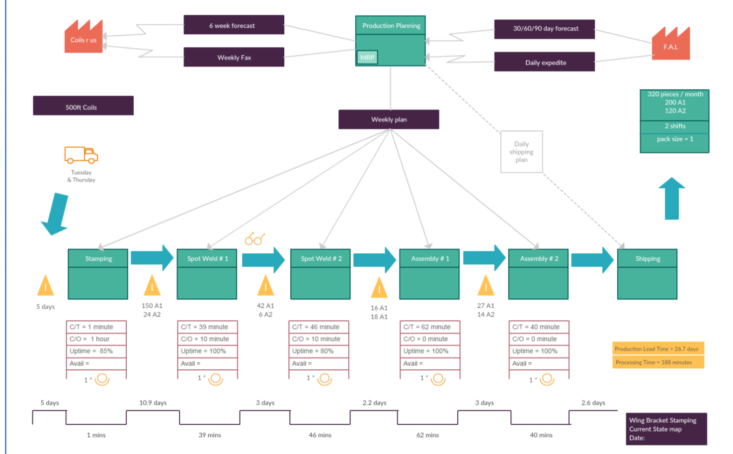

LEAD
TIME:
DAYS

Days
Days
Days
Hrs
?
Hrs

INVENTORY:
Tons
Tons
150 Tons
TONS

